Sheet1
Part Designation | QTY | Description | Notes
Q4, Q5 | 2 | N-channel MOSFET, 40 V, 30 A, PowerPAK SO-8, Vishay-Siliconix, SiR426DN | SIR426DP-T1-GE3 Vishay Siliconix | Discrete Semiconductor Products | DigiKey
D1 | 1 | Diode, dual Schottky, 30 V, 200 mA, SOT23, Fairchild, BAT54C | BAT54C Yangjie Technology | Discrete Semiconductor Products | DigiKey Marketplace
D2 | 1 | Schottky diode, 40V, 5A, SMC, ON Semiconductor, MBRS540T3 | SS54 | Slkor(SLKORMICRO Elec.) | Schottky Barrier Diodes (SBD) | JLCPCB |  |  |  |  | changed the part but should still be the same
Rsr | 2 | Sense resistor, 10 mΩ, 1%, 1 W, 2010, Vishay-Dale, WSL2010R0100F | RTT06R01JTP | RALEC | Chip Resistor - Surface Mount | JLCPCB
L1 | 1 | Inductor, 2.2 μH | value given in data sheet | IHLP2525CZER2R2M01 Vishay Dale | Inductors, Coils, Chokes | DigiKey
C8, C9, C12, C13, C14 | 5 | Capacitor, ceramic, 10 μF, 35 V, 10%, X7R | note that C14 is created to create 30uF for output capacitor Co |  |  |  | GMK316AB7106KL-TR Taiyo Yuden | Capacitors | DigiKey
C2 | 1 | Capacitor, ceramic, 2.2µF, 50 V, 10%, X7R | CL31B225KBHVPNE Samsung Electro-Mechanics | Capacitors | DigiKey
C4, C5 | 2 | Capacitor, ceramic, 1 μF, 16V, 10%, X7R | CL10B105KO8NNNC Samsung Electro-Mechanics | Capacitors | DigiKey
C7 | 1 | Capacitor, ceramic, 1µF, 50 V, 10%, X7R | UMK212B7105KG-T | Taiyo Yuden | Multilayer Ceramic Capacitors MLCC - SMD/SMT | JLCPCB
C1, C6, C11 | 4 | Capacitor, ceramic, 0.1 μF, 16 V, 10%, X7R | CL05B104KO5NNNC Samsung Electro-Mechanics | Capacitors | DigiKey
Cff | 1 | Capacitor, ceramic, 22 pF, 35 V, 10%, X7R | C0603C220K5RAC7867 KEMET | Capacitors | DigiKey |  |  | 35V unavailable - this is 50V (is this ok)
C10, C15* | 2 | Capacitor, ceramic, 0.1 μF, 50V, 10% | note that C15 is labeled for capacitor connected to TS |  |  | https://www.digikey.com/en/products/detail/samsung-electro-mechanics/CL21B104KBCNNNC/3886661
R1, R7 | 2 | Resistor, chip, 100 kΩ, 1/16W, 0.5% | https://www.digikey.com/en/products/detail/yageo/AC0402FR-07100KL/5895021
R2 | 1 | Resistor, chip, 900 kΩ, 1/16W, 0.5% | 1206W4F1004T5E UNI-ROYAL(Uniroyal Elec) | C17927 - LCSC Electronics |  |  |  |  |  | RR0816P-304-D Susumu | Resistors | DigiKey | or 3 of these or equivalent
R8 | 1 | Resistor, chip, 57.142 kΩ or smaller or other resistors in series | voltage divider calc. done during meeting |  | RC0402JR-0756KL YAGEO | Resistors | DigiKey |  |  |  | (56.2Kohm)
R9 | 1 | Resistor, chip, 9.31 kΩ, 1/16W, 1% | RC0402FR-079K31L YAGEO | Resistors | DigiKey
R10 | 1 | Resistor, chip, 430 kΩ, 1/16W, 1% | RC0402FR-07430KL YAGEO | Resistors | DigiKey
R11 | 1 | Resistor, chip, 2Ω, 1W, 5% | RC0402JR-072RL YAGEO | Resistors | DigiKey
R13, R14 | 2 | Resistor, chip, 10 kΩ, 1/16W, 5% | RC0402JR-0710KL YAGEO | Resistors | DigiKey
R5 | 1 | Resistor, chip, 100 Ω, 1/16W, 0.5% | RMCF0402FT100R Stackpole Electronics Inc | Resistors | DigiKey
R6 | 1 | Resistor, chip, 10 Ω, 1W, 5% | RC0402JR-0710RL YAGEO | Resistors | DigiKey
D3, D4 | 2 | LED diode, green, 2.1 V, 20 mA, LTST-C190GKT can be replaced with vias | vias
BQ24600 | 1 | the part | BQ24600RVAR Texas Instruments | Integrated Circuits (ICs) | DigiKey
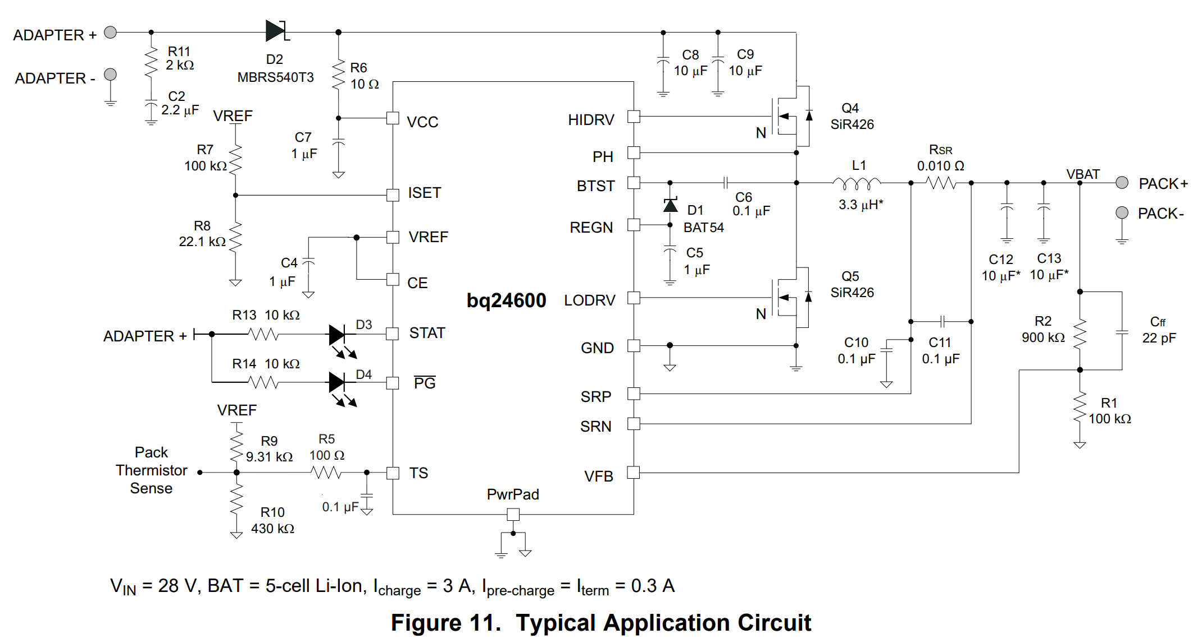
1038T thermistor

